Sheet1
 | Graph | Status | Image | Settings | Date
1 | 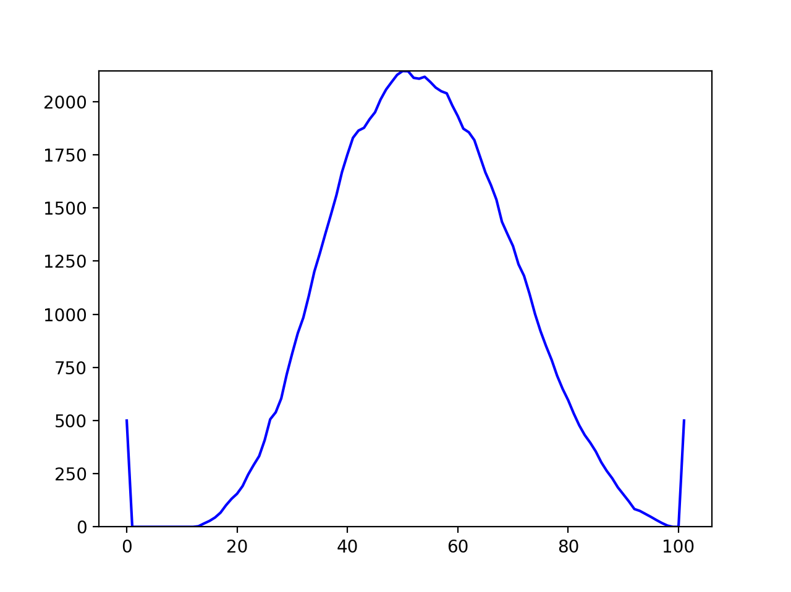 | not_drunk |  | {'sensetivity': 3000, 'x1': 46, 'y1': 794, 'x2': 359, 'y2': 939, 'angle': 25.0, 'flip': False} | 2020-03-01 17:57:36.248708
2 | 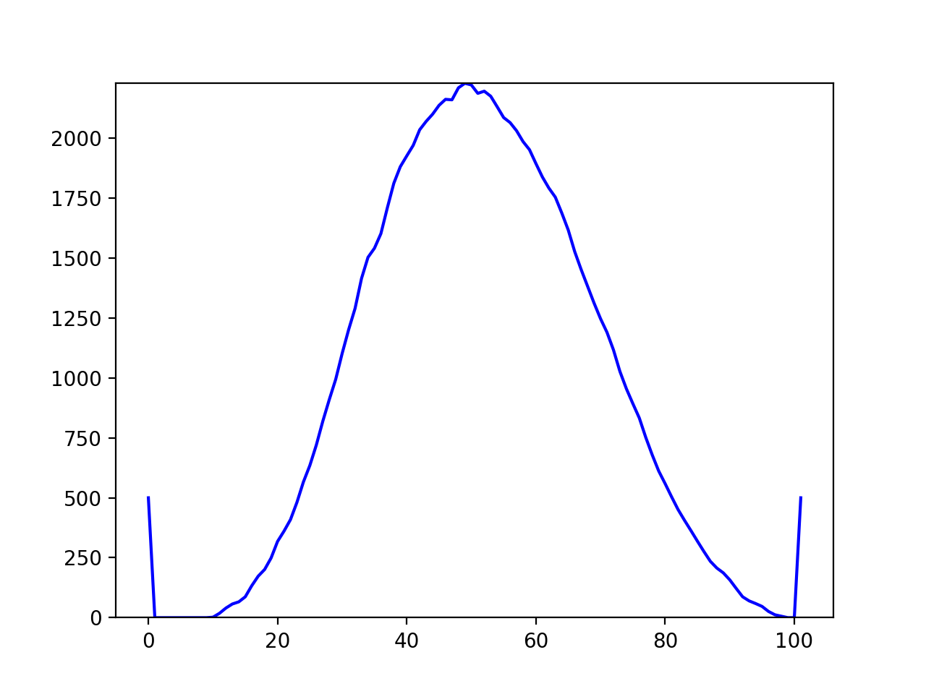 | not_drunk |  | {'sensetivity': 3000, 'x1': 46, 'y1': 794, 'x2': 359, 'y2': 939, 'angle': 25.0, 'flip': False} | 2020-03-01 18:01:52.899208
3 | 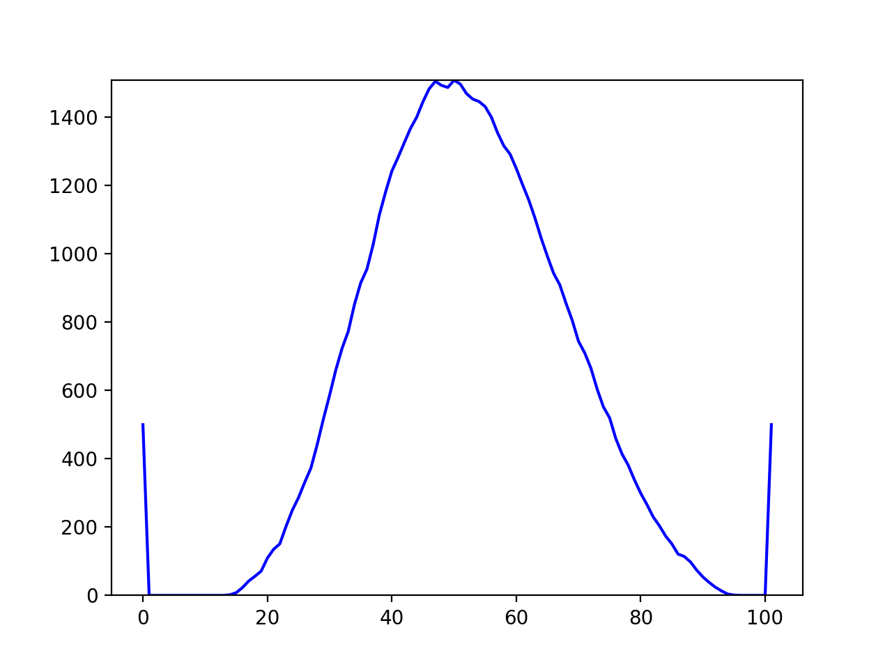 | drunk |  | {'sensetivity': 3000, 'x1': 46, 'y1': 794, 'x2': 359, 'y2': 939, 'angle': 25.0, 'flip': False} | 2020-03-01 18:02:12.752603

